IoT Devices
IoT Device Checklist |  | Device | Manufacturer |  | S/N

Attack Surface | Vulnerability | Assessment | Rating | Testing Tools | Control Effectiveness | Control Plan | Comments

Ecosystem (general) | Interoperability standards | Yes | Pass
 | System wide failure | N/A
 | Data governance | No
 | Individual stakeholder risks | No | Fail |  | Not Assessed | Recommend | Develop Control Plan
 | Implicit trust between components
 | Enrollment security
 | Decommissioning system
 | Lost access procedures

Device Memory | Sensitive data
 | Cleartext usernames | No
 | Cleartext passwords
 | Third-party credentials
 | Encryption keys

Device Physical Interfaces | Firmware extraction
 | User CLI
 | Admin CLI
 | Privilege escalation
 | Reset to insecure state
 | Removal of storage media
 | Tamper resistance
 | Debug port
 | UART (Serial)
 | JTAG / SWD
 | Device ID/Serial number exposure

Device Web Interface | Standard set of web application vulnerabilities, see:
 | OWASP Web Top 10
 | OWASP ASVS
 | OWASP Testing guide

 | Credential management vulnerabilities:
 | Username enumeration
 | Weak passwords
 | Account lockout
 | Known default credentials
 | Insecure password recovery mechanism
Attack Surface | Vulnerability | Assessment | Rating | Testing Tools | Control Effectiveness | Comments | Control Plan
Device Firmware | Sensitive data exposure (See OWASP Top 10 - A6 Sensitive data exposure):
 | Backdoor accounts
 | Hardcoded credentials
 | Encryption keys
 | Encryption (Symmetric, Asymmetric)
 | Sensitive information
 | Sensitive URL disclosure
 | Firmware version display and/or last update date
 | Vulnerable services (web, ssh, tftp, etc.)
 | Verify for old sw versions and possible attacks (Heartbleed, Shellshock, etc)
 | Security related function API exposure
 | Firmware downgrade possibility

Device Network Services | Information disclosure
 | User CLI
 | Administrative CLI
 | Injection
 | Denial of Service
 | Unencrypted Services
 | Poorly implemented encryption
 | Test/Development Services
 | Buffer Overflow
 | UPnP
 | Vulnerable UDP Services
 | DoS
 | Device Firmware OTA update block
 | Firmware loaded over insecure channel (no TLS)
 | Replay attack
 | Lack of payload verification
 | Lack of message integrity check
 | Credential management vulnerabilities:
 | Username enumeration
 | Weak passwords
 | Account lockout
 | Known default credentials
 | Insecure password recovery mechanism
Attack Surface | Vulnerability | Assessment | Rating | Testing Tools | Control Effectiveness | Comments | Control Plan
Administrative Interface | Standard set of web application vulnerabilities, see:
 | OWASP Web Top 10
 | OWASP ASVS
 | OWASP Testing guide
 | Credential management vulnerabilities:
 | Username enumeration
 | Weak passwords
 | Account lockout
 | Known default credentials
 | Insecure password recovery mechanism
 | Security/encryption options
 | Logging options
 | Two-factor authentication
 | Check for insecure direct object references
 | Inability to wipe device

Local Data Storage | Unencrypted data
 | Data encrypted with discovered keys
 | Lack of data integrity checks
 | Use of static same enc/dec key

Cloud Web Interface | Standard set of web application vulnerabilities, see:
 | OWASP Web Top 10
 | OWASP ASVS
 | OWASP Testing guide
 | Credential management vulnerabilities:
 | Username enumeration
 | Weak passwords
 | Account lockout
 | Known default credentials
 | Insecure password recovery mechanism
 | Transport encryption
 | Two-factor authentication

Third-party Backend APIs | Unencrypted PII sent
 | Encrypted PII sent
 | Device information leaked
 | Location leaked

Update Mechanism | Update sent without encryption
 | Updates not signed
 | Update location writable
 | Update verification
 | Update authentication
 | Malicious update
 | Missing update mechanism
 | No manual update mechanism

Mobile Application | Implicitly trusted by device or cloud
 | Username enumeration
 | Account lockout
 | Known default credentials
 | Weak passwords
 | Insecure data storage
 | Transport encryption
 | Insecure password recovery mechanism
 | Two-factor authentication
Attack Surface | Vulnerability | Assessment | Rating | Testing Tools | Control Effectiveness | Comments | Control Plan
Vendor Backend APIs | Inherent trust of cloud or mobile application
 | Weak authentication
 | Weak access controls
 | Injection attacks
 | Hidden services

Ecosystem Communication | Health checks
 | Heartbeats
 | Ecosystem commands
 | Deprovisioning
 | Pushing updates

Network Traffic | LAN
 | LAN to Internet
 | Short range
 | Non-standard
 | Wireless (WiFi, Z-wave, XBee, Zigbee, Bluetooth, LoRA)
 | Protocol fuzzing

Authentication/Authorization | Authentication/Authorization related values (session key,
 | token, cookie, etc.) disclosure
 | Reusing of session key, token, etc.
 | Device to device authentication
 | Device to mobile Application authentication
 | Device to cloud system authentication
 | Mobile application to cloud system authentication
 | Web application to cloud system authentication
 | Lack of dynamic authentication

Privacy | User data disclosure
 | User/device location disclosure
 | Differential privacy

Hardware (Sensors) | Sensing Environment Manipulation
 | Tampering (Physically)
 | Damage (Physical)

IoT Device Assessment Summary - Flagged Vulnerabilities
Category | Vulnerability | Risk Exposure | Control ID | Status
Privacy | Tampering (Physically) | High | abc -123 | Not Started

Licencing Agreement
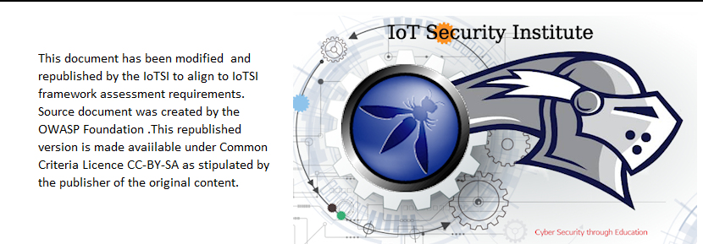

owasp.org | Internet Security Institute

